Instructions
LOGBOOK 1 (2, 3,…)
You can add as many LOGBOOKS/ Exercise tests/ Blood tests sheets as needed. Just make a copy.
Fill you name and follow-up time
1. Choose (light blue) cell

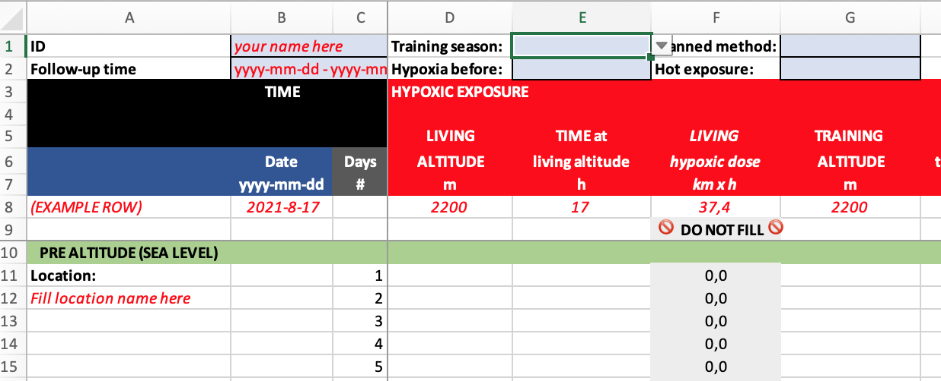

Fill-up training location and altitude

2. Choose correct optiion

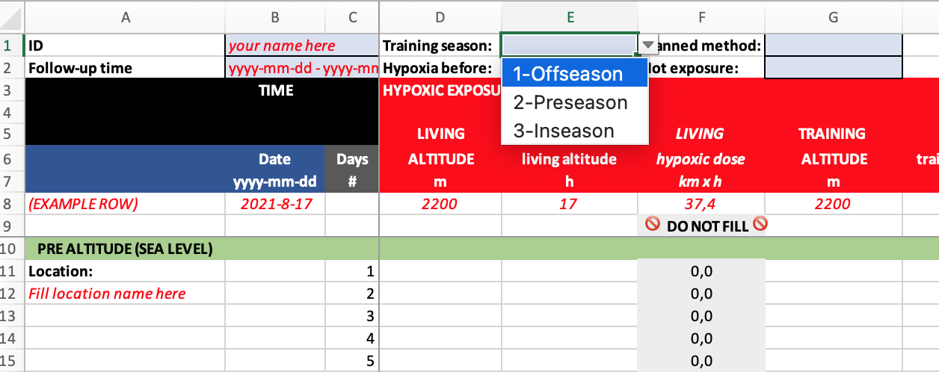

Do not fill grey cells!

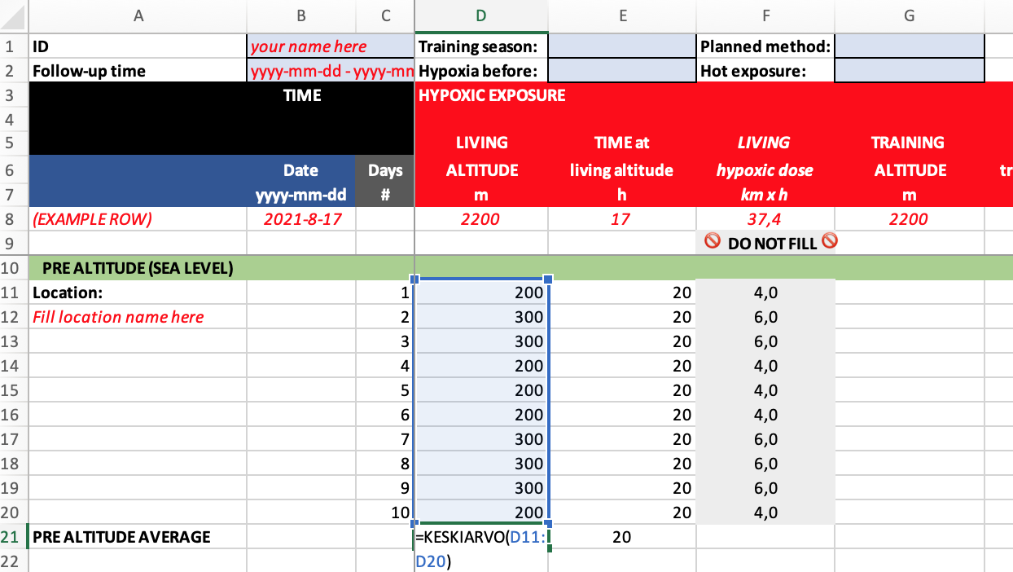

You can add as many lines as needed!
You can use the excel formula to calculate average
=KESKIARVO
=AVERAGE

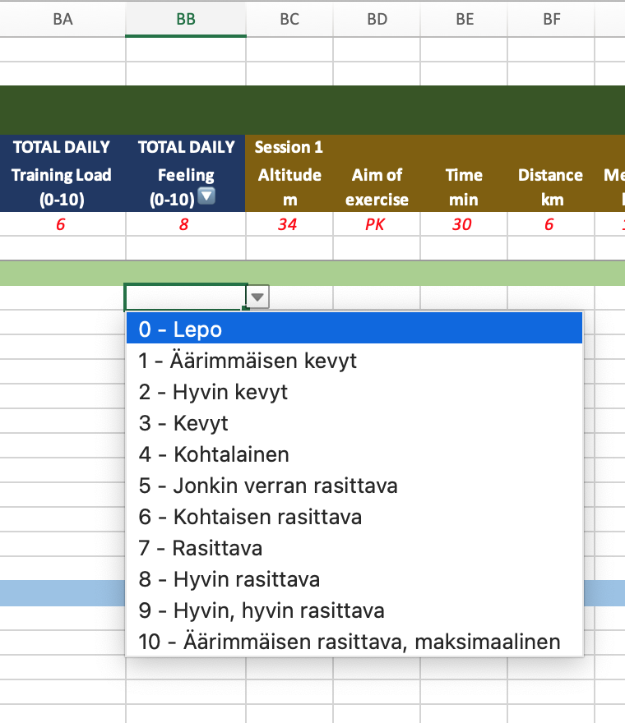
Columns with 🔽 marks are drop-down lists

Graphics
Morning values
Training load and feeling
 | LIVING | TOTAL | MORNING - REST / SLEEP |  | OTHER MORNING VALUES |  | Total | TOTAL DAILY | TOTAL DAILY
 | ALTITUDE | HYPOXIC DOSE | SpO2 | Sleep HR | BM | Recovery feeling | Lake Louse Score | Training Load | Feeling
Date | Living Altitude m | Total hypoxic dose km x h | Morning SpO2% | Sleep HRbpm | BM kg | Recovery feeling, morning | Lake Louse Score | Total daily Training Load | Total daily feeling
2023-01-27 | 200 | 4 | 93 | 48 | 75 | 3 | 0 | 8 | 2
2023-01-28 | 300 | 6 | 94 | 47 | 74.7 | 3 | 0 | 3 | 6
2023-01-29 | 300 | 6 | 95 | 45 | 75 | 3 | 0 | 4 | 1
2023-01-30 | 200 | 4 | 93 | 43 | 74 | 3 | 0 | 6 | 2
2023-01-31 | 200 | 4 | 94 | 41 | 74.8 | 3 | 0 | 1 | 5
2023-02-01 | 200 | 4 | 94 | 39 | 74.8 | 3 | 0 | 3 | 5
2023-02-02 | 300 | 6 | 94 | 37 | 75 | 3 | 0 | 7 | 2
2023-02-03 | 300 | 6 | 94 | 47 | 74 | 3 | 0 | 2 | 3
2023-02-04 | 300 | 6 | 94 | 45 | 74.8 | 3 | 0 | 6 | 3
2023-02-05 | 200 | 4 | 95 | 43 | 74.8 | 3 | 0 | 1 | 2
2023-02-08 | 0 | 0 | 0 | 0 | 0 | 0 | 1 | 0 | 0
2023-02-09 | 0 | 0 | 0 | 0 | 0 | 0 | 3 | 0 | 0
2023-02-10 | 0 | 0 | 0 | 0 | 0 | 0 | 0 | 0 | 0
Living altitude / Hypoxic dose
2023-02-11 | 0 | 0 | 0 | 0 | 0 | 0 | 0 | 0 | 0
2023-02-12 | 0 | 0 | 0 | 0 | 0 | 0 | 0 | 0 | 0
2023-02-13 | 0 | 0 | 0 | 0 | 0 | 0 | 0 | 0 | 0
2023-02-14 | 0 | 0 | 0 | 0 | 0 | 0 | 0 | 0 | 0
2023-02-15 | 0 | 0 | 0 | 0 | 0 | 0 | 0 | 0 | 0
2023-02-16 | 0 | 0 | 0 | 0 | 0 | 0 | 3 | 0 | 0
2023-02-17 | 0 | 0 | 0 | 0 | 0 | 0 | 0 | 0 | 0
2023-02-18 | 0 | 0 | 0 | 0 | 0 | 0 | 0 | 0 | 0
2023-02-19 | 0 | 0 | 0 | 0 | 0 | 0 | 0 | 0 | 0
2023-02-20 | 0 | 0 | 0 | 0 | 0 | 0 | 0 | 0 | 0
2023-02-21 | 0 | 0 | 0 | 0 | 0 | 0 | 0 | 0 | 0
2023-02-22 | 0 | 0 | 0 | 0 | 0 | 0 | 0 | 0 | 0
2023-02-23 | 0 | 0 | 0 | 0 | 0 | 0 | 0 | 0 | 0
2023-02-24 | 0 | 0 | 0 | 0 | 0 | 0 | 0 | 0 | 0
2023-02-25 | 0 | 0 | 0 | 0 | 0 | 0 | 0 | 0 | 0
2023-02-26 | 0 | 0 | 0 | 0 | 0 | 0 | 0 | 0 | 0
Lake Louise Score
Altitude and Lake Louise Score
2023-02-27 | 0 | 0 | 0 | 0 | 0 | 0 | 0 | 0 | 0
2023-02-28 | 0 | 0 | 0 | 0 | 0 | 0 | 0 | 0 | 0
2023-03-01 | 0 | 0 | 0 | 0 | 0 | 0 | 0 | 0 | 0
2023-03-02 | 0 | 0 | 0 | 0 | 0 | 0 | 0 | 0 | 0
2023-03-03 | 0 | 0 | 0 | 0 | 0 | 0 | 0 | 0 | 0
2023-03-04 | 0 | 0 | 0 | 0 | 0 | 0 | 0 | 0 | 0
2023-03-05 | 0 | 0 | 0 | 0 | 0 | 0 | 0 | 0 | 0
2023-03-06 | 0 | 0 | 0 | 0 | 0 | 0 | 2 | 0 | 0
2023-03-07 | 0 | 0 | 0 | 0 | 0 | 0 | 0 | 0 | 0
2023-03-10 | 0 | 0 | 0 | 0 | 0 | 0 | 0 | 0 | 0
2023-03-11 | 0 | 0 | 0 | 0 | 0 | 0 | 0 | 0 | 0
2023-03-12 | 0 | 0 | 0 | 0 | 0 | 0 | 0 | 0 | 0
2023-03-13 | 0 | 0 | 0 | 0 | 0 | 0 | 0 | 0 | 0
2023-03-14 | 0 | 0 | 0 | 0 | 0 | 0 | 0 | 0 | 0
2023-03-15 | 0 | 0 | 0 | 0 | 0 | 0 | 0 | 0 | 0
2023-03-16 | 0 | 0 | 0 | 0 | 0 | 0 | 0 | 0 | 0
2023-03-17 | 0 | 0 | 0 | 0 | 0 | 0 | 0 | 0 | 0
2023-03-18 | 0 | 0 | 0 | 0 | 0 | 0 | 0 | 0 | 0
2023-03-19 | 0 | 0 | 0 | 0 | 0 | 0 | 0 | 0 | 0
2023-03-20 | 0 | 0 | 0 | 0 | 0 | 0 | 0 | 0 | 0
2023-03-21 | 0 | 0 | 0 | 0 | 0 | 0 | 0 | 0 | 0
2023-03-22 | 0 | 0 | 0 | 0 | 0 | 0 | 0 | 0 | 0
2023-03-23 | 0 | 0 | 0 | 0 | 0 | 0 | 0 | 0 | 0
2023-03-24 | 0 | 0 | 0 | 0 | 0 | 0 | 0 | 0 | 0
2023-03-25 | 0 | 0 | 0 | 0 | 0 | 0 | 0 | 0 | 0
2023-03-26 | 0 | 0 | 0 | 0 | 0 | 0 | 0 | 0 | 0
2023-03-27 | 0 | 0 | 0 | 0 | 0 | 0 | 0 | 0 | 0
2023-03-28 | 0 | 0 | 0 | 0 | 0 | 0 | 0 | 0 | 0
2023-03-29 | 0 | 0 | 0 | 0 | 0 | 0 | 0 | 0 | 0
2023-03-30 | 0 | 0 | 0 | 0 | 0 | 0 | 0 | 0 | 0
2023-03-31 | 0 | 0 | 0 | 0 | 0 | 0 | 0 | 0 | 0
2023-04-01 | 0 | 0 | 0 | 0 | 0 | 0 | 0 | 0 | 0
2023-04-02 | 0 | 0 | 0 | 0 | 0 | 0 | 0 | 0 | 0
2023-04-03 | 0 | 0 | 0 | 0 | 0 | 0 | 0 | 0 | 0
2023-04-04 | 0 | 0 | 0 | 0 | 0 | 0 | 0 | 0 | 0
2023-04-05 | 0 | 0 | 0 | 0 | 0 | 0 | 0 | 0 | 0
2023-04-06 | 0 | 0 | 0 | 0 | 0 | 0 | 0 | 0 | 0

